Data
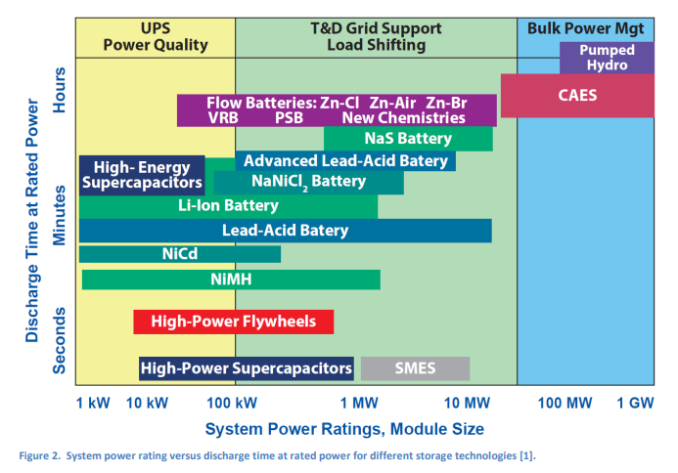
 |  |  |  |  |  | Exchange ratio between the years 2030 and 2020 |  | Exchange ratio between the years 2050 and 2030 |  | Prodecure followed to determine the projection | Projection in according with the exchange ratio (2030-2020 and 2050-2030) |  |  | Prodecure followed to determine the projection in according with the exchange ratio
Technical Data | ABB | 2016 | 2020 | 2025 | 2030 | 30 - 20 | 2050 | 50 - 30 | Reference |  | 2020 | 2030 | 2050 |  | C rate
Energy Storage Capacity for One Unit (MWh) | ESC | 30 | 30 |  | 30 |  | 30 |  | [1] | 1. The data for years 2016, 2020, 2025, and 2030 was obtained from [1]. 2. This data is used within the IRENA tool as "Usable Storage Capacity" and "Installed Storage Power". 3. It is considered these parameters will not have a variation in the period 2030-2050 due it technological maturity. |  |  |  | 1. The data for 2020 is a point data types for this year, historical data is not available. 2. The projections have a similar numerical behaviour to the datasheet from [2]
Output Capacity for One Unit (MW) | OCO | 15 | 15 |  | 15 |  | 15 |  |  |  |  |  |  |  | 0.50000
Input Capacity for One Unit (MW) | ICO | 15 | 15 |  | 15 |  | 15 |  |  |  |  |  |  |  | 0.50000
Round Trip Efficiency (%) | RTE |  | 83 |  | 85 | 0.0241 | 85 | 0.0 | [2] | 1. The data of years 2015, 2020, 2030, and 2050 showed in this sheets from [2]. 2. The selected data for 2020 is a point data types from [2-5]. 3. The projections have similar numerical behavior to [2] with the estimated exchange ratio applied to estimated the projection of the value from [2-5]. | 81 | 83 | 83
Charge Efficiency (%) | CE |  | 90 |  | 91 |  | 91 |  |  | 1. This technical data was calculated with an equation for Round Trip Efficiency (see Flywheels sheet). 2. In the chapter of Introduccion of the Catalogue, it is defined the equation of Round Trip Efficiency.
Discharge Efficiency (%) | DE |  | 90 |  | 91 |  | 91
Energy Losses during Storage (%/day) | ELS | 0.1 | 0.1 | 0.1 | 0.1 |  | 0.1 |  | [1] | 1. The trend of the data for these parameters (in this case constant) was identified in reference [1] for NaS. 2. This data is used within the IRENA tool as "Self-discharge". 3. It is considered these parameters will not have a variation in the period 2030-2050 due it technological maturity.
Forced Outage (%) | FO |  | 0.0 |  | 0.0 |  | 0.0 |  | [2] | 1. The data of years 2015, 2020, 2030, and 2050 showed in this sheets from [2].
Planned Outage (weeks per year) | PO |  | 0.0 |  | 0.0 |  | 0.0
Technical Lifetime (years) | TL |  | 19 |  | 24 | 0.2632 | 24 | 0.0000 | [2] | 1. The data of years 2015, 2020, 2030, and 2050 showed in this sheets from [2]. 2. The selected data for 2020 is a point data types from [2, 4, 5]. 3. The projections have similar numerical behavior to [2] with the estimated exchange ratio applied to estimated the projection of the value from [2, 4, 5]. | 19 | 24.0 | 24.0 | 1. The data for 2020 is a point data types for this year, historical data is not available. 2. The projections have a similar numerical behaviour to the datasheet from [2]
Construction Time (years) | CT |  | 0.5 |  | 0.5 |  | 0.5 |  |  | 1. The data of years 2015, 2020, 2030, and 2050 showed in this sheets from [2].
Response Time from Idle to Full-Rated Discharge (sec) | RTI |  | 0.001 |  | 0.001 |  | 0.001
Response Time from Full-Rated Charge to Full-Rated Discharge (sec) | RTF |  | 0.05 |  | 0.05 |  | 0.05
Specific Investment (MUSD2015 per MWh) | SI |  | 0.383 |  | 0.217 |  | 0.089 |  |  | 1. This parameter data was calculated with an equation for Specific Investment (see Lithium Ion sheet). 2. In the chapter of Introduccion of the Catalogue, it is defined the equation of Specific Investment.
Energy Component (MUSD2015 per MWh) | EC | 0.3675 | 0.2908 | 0.217 | 0.162 |  | 0.050 |  | [1] | 1. The trend of the data for these parameters (in this case exponential decrease) was identified in reference [2] for NaS. 2. The data of years 2016, 2020, 2025, and 2030 was obtained from [1]. 3. See the exponential projection in bottom flap called 17_EC and 18_CC.
Capacity Component (MUSD per MW) | CC | 0.105 | 0.085 | 0.0656 | 0.051 |  | 0.018
Other Project Costs (MUSD/MWh) | OPC |  | 0.05 |  | 0.030 | -0.40 | 0.030 | 0.00 | [2] | 1. The data of years 2015, 2020, 2030, and 2050 showed in this sheets from [2]. | 0.05 | 0.03 | 0.03 | 1. The data for 2020 is a point data types for this year, historical data is not available. 2. The projections have a similar numerical behaviour to the datasheet from [2]
Fixed O&M (MUSD2020/kW/year) | FOM |  | 1.67 |  | 1.67 | 0.00 | 1.67 | 0.00 |  | 1. The data of years 2015, 2020, 2030, and 2050 showed in this sheets from [2]. 2. The selected data for 2020 is a point data types from [7]. 3. The projections have similar numerical behavior to [2] with the estimated exchange ratio applied to estimated the projection of the value from [7]. | 4 | 4.00 | 4.00
Variable O&M (MUSD2020/MW/year) | VOM |  | 2.00 |  | 2.00 | 0.00 | 2.00 | 0.00 |  |  | 2 | 2.00 | 2.00
Alternative Investment Cost (MUSD2020 per MW) | AIC |  | 0.767 |  | 0.435 |  | 0.178 |  | [1] | 1. This data was calculated with an Alternative Investment Cost equation (see NaS sheet). 2. In the chapter of Introduccion of the Catalogue, it is defined the equation of Alternative Investment Cost.
Lifetime in Total Number of Cycle | LTN |  | 5600 |  | 7500 |  | 7500.00 |  | [2] | 1. The data of years 2015, 2020, 2030, and 2050 showed in this sheets from [2].
Specific Power (W/kg) | SP |  | 28 |  | 28 |  | 28 |  |  | 1. This technical data was calculated with a Specific Power equation (see LA sheet). 2. In the chapter of Introduccion of the Catalogue, it is defined the equation of Specific Power.
Power Density (W/m3) | PD |  | 13000 |  | 13000 |  | 13000 |  |  | 1. This technical data was calculated with a Power Density equation (see LA sheet). 2. In the chapter of Introduccion of the Catalogue, it is defined the equation of Power Density.
Specific Energy (Wh/kg) | SE |  | 56 |  | 56 |  | 56 |  |  | 1. The data of years 2015, 2020, 2030, and 2050 showed in this sheets from [2].
Energy Density (Wh/m3) | ED |  | 26000 |  | 26000 |  | 26000

[1] | IRENA (2017). Electricity storage and renewables: Costs and markets to 2030. Cost of service tool. Available in: https://www.irena.org/publications/2017/Oct/Electricity-storage-and-renewables-costs-and-markets
[2] | Danish Energy Agency. (2019). Technogy Data for Energy Storage. Copenhagen, Denmark. Retrieved from https://ens.dk/sites/ens.dk/files/Analyser/technology_data_catalogue_for_energy_storage.pdf
[3] | Subburaj, A. S., Pushpakaran, B. N., & Bayne, S. B. (2015). Overview of grid connected renewable energy based battery projects in USA. Renewable and Sustainable Energy Reviews, 45, 219–234. https://doi.org/https://doi.org/10.1016/j.rser.2015.01.052
[4] | IRENA, Battery storage technology improvements and cost reductions to 2030: A Deep Dive, March 2017, https://www.irena.org/-/media/Files/IRENA/Agency/Events/2017/Mar/15/2017_Kairies_Battery_Cost_and_Performance_01.pd
[5] | Diaz-Gonzalez, F., Sumper, A., & Gomis-Bellmunt, O. (2016). Energy Storage Technologies. In Energy Storage in Power Systems (pp. 93–141). John Wiley & Sons, Ltd. https://doi.org/10.1002/9781118971291.ch4
[6] | Schmidt, O., Melchior, S., Hawkes, A., & Staffell, I. (2019). Projecting the Future Levelized Cost of Electricity Storage Technologies. Joule, 3(1), 81–100. https://doi.org/10.1016/j.joule.2018.12.008
[7] | Zakeri, B., & Syri, S. (2015). Electrical energy storage systems: A comparative life cycle cost analysis. Renewable and Sustainable Energy Reviews, 42, 569–596. https://doi.org/10.1016/j.rser.2014.10.011

17_EC
2016 | 0.3675
2020 | 0.2908
2025 | 0.217
2030 | 0.162

18_CC
2016 | 0.105
2020 | 0.085
2025 | 0.066
2030 | 0.051

